OFFER
BURBERRY CAPS SPECIAL OFFER

PHOTOS | PHOTOS | MODEL | MODEL NAME | COLOR DESC. | Q.TY INFO | YOUR SELECTION | RETAIL PRICE | OUTLET PRICE | AMOUNT YOUR SELECTION
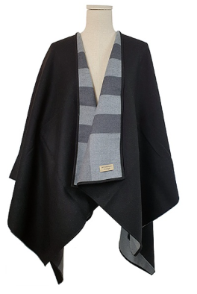 | 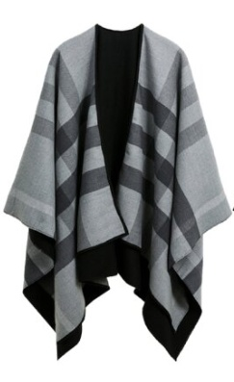 | 40294041 | A:ST CHR RVS SL T CHK:AAPTS:0260B | CHARCOAL | UP TO 600PCS |  | 750.00 € | 485.00 € | 0.00 €
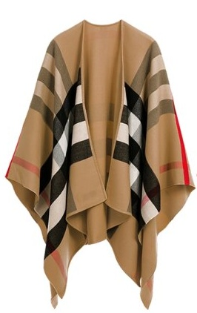 | 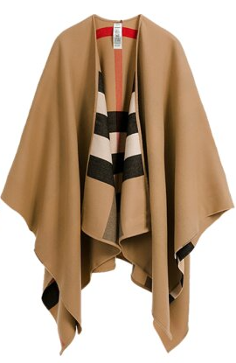 | 40294061 | A:ST CHR RVS SL T CHK:AAPTS:2310B | CAMEL | UP TO 900PCS |  | 750.00 € | 490.00 € | 0.00 €
 |  |  |  |  |  |  |  |  | 0.00 €
